1 - Trmnt Req's
 |  |  |  |  |  |  | < -- Print View Border
WaterSOLV Quick Calc.
Determine WaterSOLV Application Rates for Water Treatment

Complete items in yellow
Data Required (4): Water Analysis, Bac T Analysis, Pump Station Flow Rate, Chemical Pump Volume Capacity, gph

 | Grower: |  |  |  | Crop:
 | Facility: |  |  |  | Date:
 | Block: |  |  |  | Lab Technician:
 | Distributor: |  |  |  | Source of Data:
 | Representative: |  |  |  | Data Reference:

1. | WaterSOLV Curative - (Acid, Mineral, Sodium)
 | Water Quality

 |  | Complete only 1 column
 |  | meq/l | mg/l - ppm
 | Ca |  |  |  | 0 | Ca, ppm as CaCO3
 | Mg |  |  |  | 0 | Mg, ppm as CaCO3
 | -or-
 | Total Hardness |  |  |  | 0 | T.H., mg/l
 | -and-
 | Alkalinity, HCO3 |  |  |  | 0 | Total HCO3, mg/l

 | Notations (not used for calculations)
 |  | Complete only 1 column
 |  | meq/l | mg/l - ppm
 | Sodium |  |  |  | 0 | Na, mg/l
 | Chloride |  |  |  | 0 | Cl, mg/l
 | Nitrate (NO3-N) |  |  |  | 0 | NO3-N, mg/l
 | Sulfate |  |  |  | 0 | SO4, mg/l

 | WaterSOLV Curative
 | Treatment Demand |  | 0.00 | ppm
 |  |  | 0.00 | gl. / A/ft.

2. | Treatment Cost |  | Water Use Reduction NOT factored in

 | Water Used | Select One |  | Acre ft. per acre
 |  |  |  | Acre ft. ( 1 A/ft. = 325,851 gl)
 |  |  |  | Million Gallons (1 million gallons = 3.069 A/Ft.)
 |  | No. Acres |  | Required if Acre ft. per acre is selected
 |  |  | 0.00 | Gallons of Curative
 |  | Cost per gallon
 |  |  | $- | Total Cost
 |  | Cost per Acre | #DIV/0! | (If No. of acres selected)

3. | Application Numbers
 |  | gpm flow rate
 |  |  | #DIV/0! | at gpm flow rate, number of units per A/ft. of water
 |  |  | #DIV/0! | mls per minute treatment
 |  |  | #DIV/0! | fl. ounces per minute
 |  |  | 0.00 | Treatment Gallons per hour
 |  | Pump Capacity, gallons per hour
 |  |  | #DIV/0! | Pump Setting %

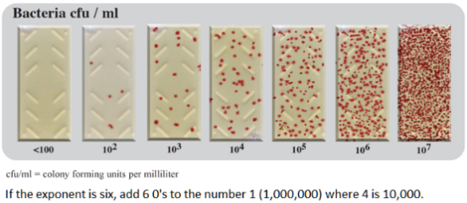
4. | WaterSOLV BC - Aerification
 | Treatment Requirements

 | Total Bacteria Exponent
 |  | factor
 | WaterSOLV BC
 | Water Treatment Demand |  | 0.0 | ppm
 |  |  | 0.00 | gl. / A/ft.

5. | Treatment Cost
 |  |  | Ag/Harvest
 |  | Acre ft. of water used |  |  |  | Million gallons / 3.068 = A/ft. of water
 |  | No. Acres
 |  |  | 0.0 | Gallons of Chemistry
 |  | Cost per gallon
 |  |  | $- | Total Cost |  | Water use reduction not factored herein.
 |  |  | #DIV/0! | Cost per Acre

6. | Application Numbers
 |  | gpm flow rate
 |  |  | #DIV/0! | at gpm flow rate, number of units per A/ft. of water
 |  |  | #DIV/0! | mls per minute treatment
 |  |  | #DIV/0! | fl. ounces per minute
 |  |  | 0.00 | Treatment Gallons per hour
 |  | Pump Capacity, gallons per hour
 |  |  | #DIV/0! | Pump Setting %

 |  | Turf | Ag
7. | Total | $- | $- | Total Cost
 |  |  | #DIV/0! | Cost per Acre

